HabiJax 30 Year Fixed
 | MSP Navigation | MSP Field Name | CRM Value | MSP Value | Notes | Notes JB
VyStarAccountNumber | SER1/LOAN | None - Loan number is displayed in the record header and on the page. | 23048690 | 0023048690
accountHolderMemberNumber/CIF | MAS1/USR3-PG3 | 9POS Field 1B | 2515659 | 0002515659
accountHolderName/Borrower | SER1/LOAN | Mortgagor | Addisyn J. Vinton | ADDISYN J VINTON
accountNumber | SER1/LOAN |  | 23048690 | 023048690
accountTypeCode | MAS1/SRC1 | Product Line | homeLoan | 30F | What are the assigned options for this value since actual codes are no longer used?
accountSubType (Product | MAS1/SRC1 | Product Code? | 30 Year Fixed | 30 YEAR FIXED
closeDate |  |  | None
currentBalance | SER1/LOAN | Principal | 173,728.38 | 173,728.38
escrowBalance | SER1/LOAN | Escrow | 3,592.32 | 3,592.32
interestRate | SER1/LOAN | IR | 0 | 0.00 | Is the interest rate truly zero?
jointHolderMemberNumber | MAS1/USR3-PG3 | 9POS Field 2B | Null | N/A
jointHolderName | SER1/LOAN | Co Mortgagor | Null | N/A
maturityDate | MAS1/NOT1 | Maturity Date | 2054-04-01 | 1954-04-01
openDate | MAS1/NOT1 | Closing Date | 2024-03-07 | 2024-03-07
originalLoanTerm | MAS1/NOT1 | Loan Term | 360 | 360 | Verified
originalLoanAmount | MAS1/NOT1 | Orig Mtg Amount | 178,200.00 | 178200
remainingLoanTerm | MAS1/NOT1 | Loan Term ( - ) Next Pymt Number | 351 | 350 | Why is there a difference of 1 between MSP and CRM? $$ matter and they should matach.
statusCode |  |  | Active
paymentTotalAmount Due | SER1/LOAN | Tot PMT | 773.82 | $773.82 | Payment total amount is not displayed in CRM? 1/31/2024 - Fixed
previousYearTaxesPaid | SER1/LOAN | 2024 Tax | 174.53 | $174.53
previousYearInterestPaid | SER1/LOAN | 2024 INT | 0 | $0.00
previousYearInterestOnEscrow | IOE1 | Current Accrual | 1.61 | 0 | Previous Year Interest on Escrow in CRM and MSP does not match.
previousYearPrincipalPaid | SER1/LOAN | 2024 PRN | 496.18 | $3,480.26 | Previous Year principal Paid in CRM and MSP does not match.
ytdInterestAssessed | SER1/LOAN | YTD INT | 0 | $0.00
ytdInterestPaidAmount | SER1/LOAN | YTD PRN | 0 | $496.18
ytdHazardInsurancePaid | SER1/LOAN | YTD TAX | 0 | $0.00
paymentPrincipalAndInterest | SER1/LOAN | 1ST P&I | 495 | $495.00
paymentNextDueDate | SER1/LOAN | MM/DD/YY PMT | 2025-02-01 | 2025-02-01
paymentCountyTaxAmount | SER1/LOAN | COUNTY | 14.54 | $14.54
paymentHazardAmount | SER1/LOAN | HAZARD | 57.99 | $57.99
paymentLienAmount | SER1/LOAN | LIEN | 206.29 | $206.29
paymentOverShortAmount | PCH1 | O/S | 0 | $0.00
paymentMortgageInsuranceAmount | PCH1 | MI | 0 | $0.00
paymentLifeAmount | PCH1 | LIFE | 0 | $0.00
paymentAccidentHealthAmount | PCH1 | A&H | 0 | $0.00
paymentHudSubsidyAmount | PCH1 | HUD | 0 | $0.00 | Payment Buydown Subsidy amount
paymentMiscellaneousAmount | PCH1 | MISC | 0 | $0.00
paymentBuydownSubsidyAmount |  |  | 0 |  |  | I can't find this data
previousPaymentHazardAmount | SER1/LOAN | Last Paid - Hazard | None | $0.00
previousPaymentTaxAmount | PCH2/ESCR |  | None | N/A
previousPaymentReceivedDate | SER1/LOAN or SER1/HPMT | Last Paid Date - Payment | None | 2025-01-02 |  | If no pmt dtd on LOAN can also be found on SER1/HPMT - PROC-DT Trans 170-174
previousPaymentPrincipalAmount | SER1/HPMT | Principal | 496.18 | $495.00
previousPaymentEscrowAmount | SER1/HPMT | Escrow | 278.82 | $278.82
previousPaymentTotalAmount | SER1/LOAN | Last Paid - Amount | 0 | $775.00 |  | Last Pmt pmt was blank on this one. So I used P309 screen, Field Amount for the last two entries dtd 01/02 = $775
ytdMortgageInsuranceAmount | DENJ | MIP/PMI PAID YTD | 0 | $0.00
AccruedLateChargeBalance | DENJ | LATE CHG PAID YTD | None | $0.00 | Late Charges Due: 76.12 (check if available in the FAV | Late Charges Due: 76.12 (check if available in the FAV
NonBorrowerInformationIndicator |  | NON-BWR-IND |  |  | Non-borrower indicator (check if non-borrower is available for return) | Non-borrower indicator (check if non-borrower is available for return) This indicator is found on the P190 report not on a MSP field
PaymentFrequencyCode | MAS1/PYT1 | NO. PMTS/YEAR | None | 12 | Payment Frequency (e.g. BIW): check if it exists in the FAV - Payment Freqency Code not displayed in CRM. | Payment Frequency (e.g. BIW): check if it exists in the FAV
PointsPaidByBorrowerAmount | KLNX/ORG1, MAS1/IAC1 | POINTS PD BY BORROWER - AMOUNT | None | $0.00 | Points Paid: check if it exists in the FAV | Points Paid: check if it exists in the FAV

CRM
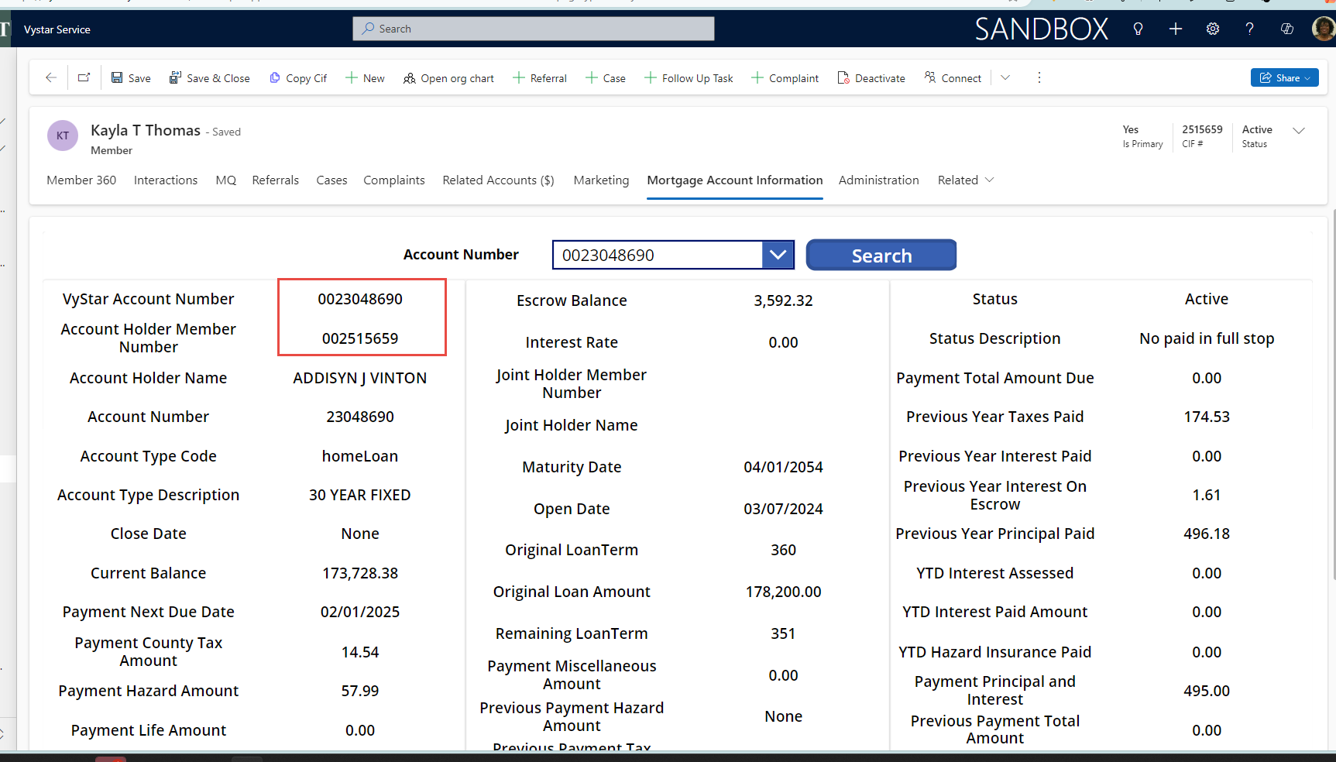

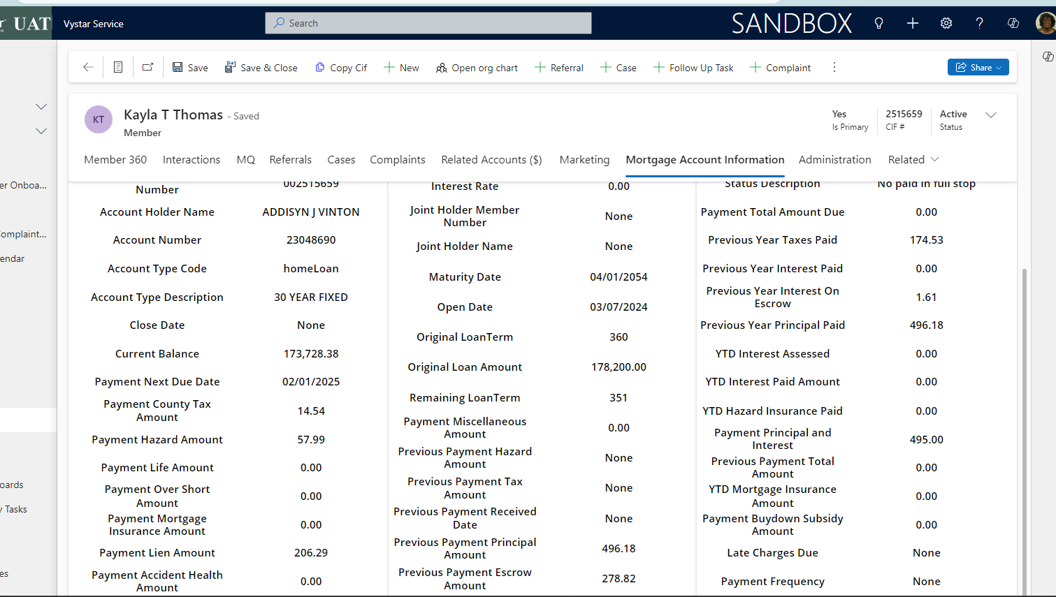

{
"accountNumber": "23048690",
"accountHolderMemberNumber": "002515659",
"accountHolderName": "ADDISYN J VINTON",
"jointHolderMemberNumber": "",
"jointHolderName": "",
"openDate": "2024-03-07",
"accountType": "homeLoan",
"accountSubType": "30 YEAR FIXED",
"accruedLateChargeBalance": null,
"currentBalance": 173728.38,
"escrowBalance": 3592.32,
"interestRate": 0.0,
"maturityDate": "2054-04-01",
"originalLoanTerm": 360,
"originalLoanAmount": 178200.0,
"paymentAccidentHealthAmount": 0.0,
"paymentBuydownSubsidyAmount": 0.0,
"paymentCountyTaxAmount": 14.54,
"paymentFrequency": null,
"paymentHazardAmount": 57.99,
"paymentHudSubsidyAmount": 0.0,
"paymentLienAmount": 206.29,
"paymentLifeAmount": 0.0,
"paymentMiscellaneousAmount": 0.0,
"paymentMortgageInsuranceAmount": 0.0,
"paymentNextDueDate": "2025-02-01",
"paymentOverShortAmount": 0.0,
"paymentPrincipalAndInterest": 495.0,
"paymentTotalAmountDue": 0.0,
"pointsPaid": 0.0,
"previousPaymentEscrowAmount": 278.82,
"previousPaymentHazardAmount": null,
"previousPaymentPrincipalAmount": 496.18,
"previousPaymentReceivedDate": null,
"previousPaymentTotalAmount": 0.0,
"previousYearInterestOnEscrow": 1.61,
"previousYearInterestPaid": 0.0,
"previousYearPrincipalPaid": 496.18,
"previousYearTaxesPaid": 174.53,
"propertyType": "SF",
"remainingLoanTerm": 351,
"statusCode": "Active",
"statusDescription": "No paid in full stop",
"ytdHazardInsurancePaid": 0.0,
"ytdInterestAssessed": 0.0,
"ytdInterestPaidAmount": 0.0,
"ytdMortgageInsuranceAmount": 0.0
}

Second Mortgage 20 Y
Target Field in CRM | MSP Navigation | MSP Field Name | CRM Value | MSP Value | Notes | Notes JB
VyStarAccountNumber | SER1/LOAN | None - Loan number is displayed in the record header and on the page. | 24006887 | 0024006887
accountHolderMemberNumber/CIF | MAS1/USR3-PG3 | 9POS Field 1B | 3179704 | 3179704
accountHolderName/Borrower | SER1/LOAN | Mortgagor | ELVIN Y OHANESIAN | ELVIN Y OHANESIAN
accountNumber | SER1/LOAN |  | 24006887 | 24006887
accountTypeCode | MAS1/SRC1 | Product Line | homeLoan | 2nd Conventional (3)
accountSubType (Product | MAS1/SRC1 | Product Code? | FIXED SECOND MTG
closeDate |  |  | None | 2024-08-28
currentBalance | SER1/LOAN | Principal | 74,820.26 | 74,820.26
escrowBalance | SER1/LOAN | Escrow | 0 | Non-Escrowed
interestRate | SER1/LOAN | IR | 7.875 | 7.875 | CRM appears to be rounding value
jointHolderMemberNumber | MAS1/USR3-PG3 | 9POS Field 2B | None | N/A
jointHolderName | SER1/LOAN | Co Mortgagor | None | N/A
maturityDate | MAS1/NOT1 | Maturity Date | 2044-09-01 | 2044-09-01
openDate | MAS1/NOT1 | Closing Date | 2024-08-28 | 2024-08-28
originalLoanTerm | MAS1/NOT1 | Loan Term | 240 | 240 Months
originalLoanAmount | MAS1/NOT1 | Orig Mtg Amount | 75,700.00 | 75,700.00
remainingLoanTerm | MAS1/NOT1 | Loan Term ( - ) Next Pymt Number | 235 | 235 months
status |  |  | Active | Current, due for March
paymentTotalAmount Due | SER1/LOAN | Tot PMT | 0 | 627.31
previousYearTaxesPaid | SER1/LOAN | 2024 Tax | 0 | 0
previousYearInterestPaid | SER1/LOAN | 2024 INT | 2,046.77 | 2,046.77
previousYearInterestOnEscrow | IOE1 | Current Accrual | 0
previousYearPrincipalPaid | SER1/LOAN | 2024 PRN | 157.96 | 516.37
ytdInterestAssessed | SER1/LOAN | YTD INT | 0 | 492.04
ytdInterestPaidAmount | SER1/LOAN | YTD PRN | 492.04 | 157.96
ytdHazardInsurancePaid | SER1/LOAN | YTD TAX | 0 | 0
paymentPrincipalAndInterest |  |  | 627.31 | 627.31
paymentNextDueDate |  |  | 2025-03-01 | 2025-03-01
paymentCountyTaxAmount |  |  | 0 | 3218.64
paymentHazardAmount |  |  | 0 | 6078.36
paymentLienAmount |  |  | 0
paymentOverShortAmount |  |  | None
paymentMortgageInsuranceAmount |  |  | 0 | No PMI
paymentLifeAmount |  |  | 0
paymentAccidentHealthAmount |  |  | 0
paymentHudSubsidyAmount |  |  | 0
paymentMiscellaneousAmount |  |  | 0
paymentBuydownSubsidyAmount |  |  | 0 |  |  | I can't find this data
previousPaymentTaxAmount | PCH2/ESCR |  | None
previousPaymentHazardAmount | SER1/LOAN | Last Paid - Hazard | None
previousPaymentReceivedDate | SER1/LOAN | Last Paid Date - Payment | 2025-01-15 | 2025-01-15 |  | If no pmt dtd on LOAN can also be found on SER1/HPMT - PROC-DT Trans 170-174
previousPaymentPrincipalAmount | SER1/LOAN | Principal | 157.96
previousPaymentEscrowAmount | SER1/LOAN | Escrow | 0
previousPaymentTotalAmount | SER1/LOAN | Last Paid - Amount | 0 | 627.31 |  | Last Pmt pmt was blank on this one. So I used P309 screen, Field Amount for the last two entries dtd 01/02 = $775
ytdMortgageInsuranceAmount | DENJ | HAZ INS PAID YTD | 0
AccruedLateChargeBalance |  |  | None |  |  | Late Charges Due: 76.12 (check if available in the FAV
NonBorrowerInformationIndicator |  |  | None |  |  | Non-borrower indicator (check if non-borrower is available for return) This indicator is found on the P190 report not on a MSP field
PaymentFrequencyCode |  |  | None |  |  | Payment Frequency (e.g. BIW): check if it exists in the FAV
PointsPaidByBorrowerAmount |  |  | 0 |  |  | Points Paid: check if it exists in the FAV
Status Description | KLNX/COLC, MAS1/COL1 | MAN or Person code | No paid in full stop | 0
Property Type | MAS1/PRP1 | Property Type | SF | SF

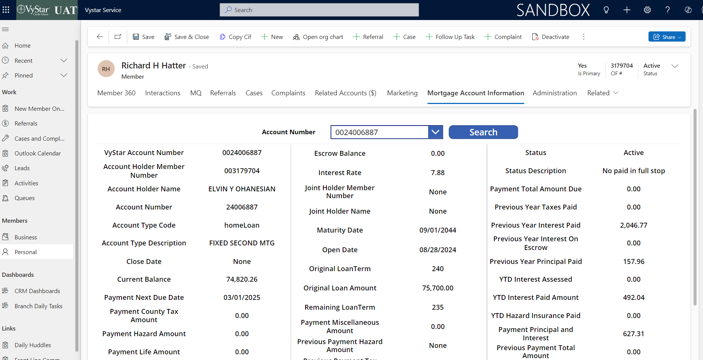
 |  |  | {
 |  |  | "accountNumber": "24006887",
 |  |  | "accountHolderMemberNumber": "003179704",
 |  |  | "accountHolderName": "ELVIN Y OHANESIAN",
 |  |  | "jointHolderMemberNumber": "",
 |  |  | "jointHolderName": "",
 |  |  | "openDate": "2024-08-28",
 |  |  | "accountType": "homeLoan",
 |  |  | "accountSubType": "FIXED SECOND MTG",
 |  |  | "accruedLateChargeBalance": null,
 |  |  | "currentBalance": 74820.26,
 |  |  | "escrowBalance": 0.0,
 |  |  | "interestRate": 7.875,
 |  |  | "maturityDate": "2044-09-01",
 |  |  | "originalLoanTerm": 240,
 |  |  | "originalLoanAmount": 75700.0,
 |  |  | "paymentAccidentHealthAmount": 0.0,
 |  |  | "paymentBuydownSubsidyAmount": 0.0,
 |  |  | "paymentCountyTaxAmount": 0.0,
 |  |  | "paymentFrequency": null,
 |  |  | "paymentHazardAmount": 0.0,
 |  |  | "paymentHudSubsidyAmount": 0.0,
 |  |  | "paymentLienAmount": 0.0,
 |  |  | "paymentLifeAmount": 0.0,
 |  |  | "paymentMiscellaneousAmount": 0.0,
 |  |  | "paymentMortgageInsuranceAmount": 0.0,
 |  |  | "paymentNextDueDate": "2025-03-01",
 |  |  | "paymentOverShortAmount": null,
 |  |  | "paymentPrincipalAndInterest": 627.31,
 |  |  | "paymentTotalAmountDue": 0.0,
 |  |  | "pointsPaid": 0.0,
 |  |  | "previousPaymentEscrowAmount": 0.0,
 |  |  | "previousPaymentHazardAmount": null,
 |  |  | "previousPaymentPrincipalAmount": 157.96,
 |  |  | "previousPaymentReceivedDate": "2025-01-15",
 |  |  | "previousPaymentTotalAmount": 0.0,
 |  |  | "previousYearInterestOnEscrow": 0.0,
 |  |  | "previousYearInterestPaid": 2046.77,
 |  |  | "previousYearPrincipalPaid": 157.96,
 |  |  | "previousYearTaxesPaid": 0.0,
 |  |  | "propertyType": "SF",
 |  |  | "remainingLoanTerm": 235,
 |  |  | "statusCode": "Active",
 |  |  | "statusDescription": "No paid in full stop",
 |  |  | "ytdHazardInsurancePaid": 0.0,
 |  |  | "ytdInterestAssessed": 0.0,
 |  |  | "ytdInterestPaidAmount": 492.04,
 |  |  | "ytdMortgageInsuranceAmount": 0.0
 |  |  | }

18 Month C2P Jumbo 15 YF
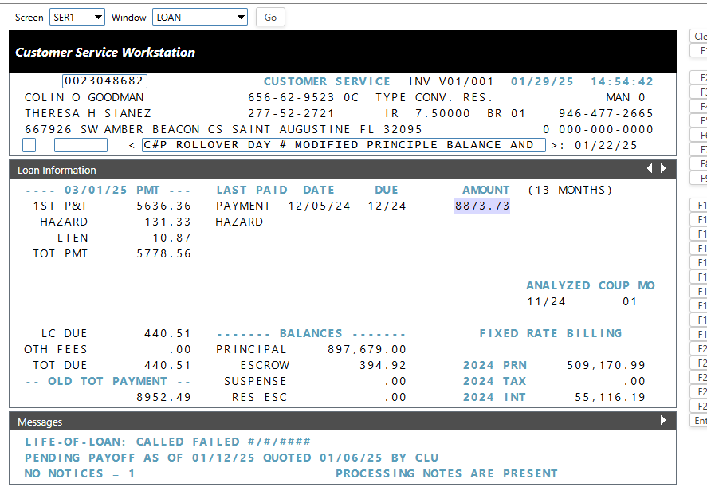
Target Field in CRM | MSP Navigation | MSP Field Name | CRM Value | MSP Value | Notes
VyStarAccountNumber | SER1/LOAN | None - Loan number is displayed in the record header and on the page. | 23048682 | 0023048682
accountHolderMemberNumber/CIF | MAS1/USR3-PG3 | 9POS Field 1B | 3454258 | 0003454258
accountHolderName/Borrower | SER1/LOAN | Mortgagor | COLIN O GOODMAN | COLIN O GOODMAN
accountNumber | SER1/LOAN |  | 23048682 | 023048682
accountTypeCode | MAS1/SRC1 | Product Line | homeLoan | JFX
accountSubType (Product | MAS1/SRC1 | Product Code? | FIXED JUMBO | FIXED JUMBO
closeDate |  |  | None
currentBalance | SER1/LOAN | Principal | 897,679.00 | 897,679.00
escrowBalance | SER1/LOAN | Escrow | 394.92 | 394.92
interestRate | SER1/LOAN | IR | 7.5 | 7.50
jointHolderMemberNumber | MAS1/USR3-PG3 | 9POS Field 2B | 3454262 | 3454262
jointHolderName | SER1/LOAN | Co Mortgagor | THERESA H SIANEZ | THERESA H SIANEZ
maturityDate | MAS1/NOT1 | Maturity Date | 2055-06-01 | 2055-06-01
openDate | MAS1/NOT1 | Closing Date | 2023-11-16 | 2023-11-16
originalLoanTerm | MAS1/NOT1 | Loan Term | 378 | 378
originalLoanAmount | MAS1/NOT1 | Orig Mtg Amount | 897,679.00 | 897679
remainingLoanTerm | MAS1/NOT1 | Loan Term ( - ) Next Pymt Number | 364 | 378-13 = 365
status |  |  | Active
paymentTotalAmount Due | SER1/LOAN | Tot PMT | 440.51 | 5778.56
previousYearTaxesPaid | SER1/LOAN | 2024 Tax | 0 | $0.00
previousYearInterestPaid | SER1/LOAN | 2024 INT | 55,116.19 | $55,116.19
previousYearInterestOnEscrow | IOE1 | Current Accrual | 0.92 | 0
previousYearPrincipalPaid | SER1/LOAN | 2024 PRN | 500,000.00 | $509,170.99
ytdInterestAssessed | SER1/LOAN | YTD INT | 0 | $0.00
ytdInterestPaidAmount | SER1/LOAN | YTD PRN | 0 | $0.00
ytdHazardInsurancePaid | SER1/LOAN | YTD TAX | 0 | $0.00
paymentPrincipalAndInterest | SER1/LOAN | 1ST P&I | 5,636.36 | $5,636.36
paymentNextDueDate | SER1/LOAN | MM/DD/YY PMT | 2025-03-01 | 03/01/25
paymentCountyTaxAmount | SER1/LOAN | COUNTY | 0 | na
paymentHazardAmount | SER1/LOAN | HAZARD | 131.33 | $131.33
paymentLienAmount | SER1/LOAN | LIEN | 10.87 | $10.87
paymentOverShortAmount | PCH1 | O/S | 0 | $0.00
paymentMortgageInsuranceAmount | PCH1 | MI | 0 | $0.00
paymentLifeAmount | PCH1 | LIFE | 0 | $0.00
paymentAccidentHealthAmount | PCH1 | A&H | 0 | $0.00
paymentHudSubsidyAmount | PCH1 | HUD | 0 | $0.00
paymentMiscellaneousAmount | PCH1 | MISC | 0 | $0.00
paymentBuydownSubsidyAmount |  |  | 0
previousPaymentHazardAmount | SER1/LOAN | Last Paid - Hazard | None | na
previousPaymentTaxAmount | PCH2/ESCR |  | None | na
previousPaymentReceivedDate | SER1/LOAN | Last Paid Date - Payment | 2024-12-05 | 2024-12-05
previousPaymentPrincipalAmount | SER1/HPMT | Principal | 500,000.00 | $500,000.00
previousPaymentEscrowAmount | SER1/HPMT | Escrow | 0 | $0.00
previousPaymentTotalAmount | SER1/LOAN | Last Paid - Amount | 8,952.49 | $8,873.73 | There are two values,(old tot pmt 8952.49) MSP screenshot attached
ytdMortgageInsuranceAmount | DENJ | MIP/PMI PAID YTD | None | $0.00
AccruedLateChargeBalance | DENJ | LATE CHG PAID YTD | None | $0.00
NonBorrowerInformationIndicator |  | NON-BWR-IND | None
PaymentFrequencyCode | MAS1/PYT1 | NO. PMTS/YEAR | None | 12
PointsPaidByBorrowerAmount | KLNX/ORG1, MAS1/IAC1 | POINTS PD BY BORROWER - AMOUNT | 0 | null
Status Description | KLNX/COLC, MAS1/COL1 | MAN or Person code | No paid in full stop | 0
Property Type | MAS1/PRP1 | Property Type | SF | SF

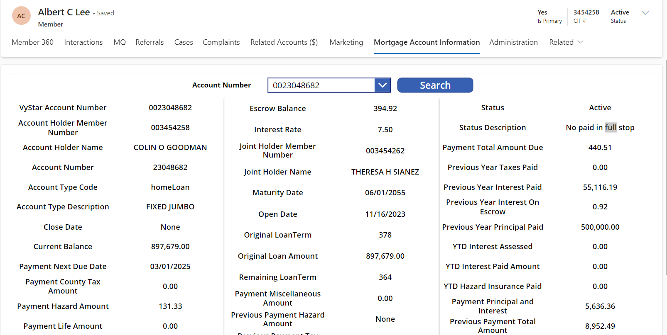

 |  |  | {
 |  |  | "accountNumber": "0023048682",
 |  |  | "accountHolderMemberNumber": "003454258",
 |  |  | "accountHolderName": "COLIN O GOODMAN",
 |  |  | "jointHolderMemberNumber": "003454262",
 |  |  | "jointHolderName": "THERESA H SIANEZ",
 |  |  | "openDate": "2023-11-16",
 |  |  | "accountType": "homeLoan",
 |  |  | "accountSubType": "FIXED JUMBO",
 |  |  | "accruedLateChargeBalance": null,
 |  |  | "currentBalance": 897679.0,
 |  |  | "escrowBalance": 394.92,
 |  |  | "interestRate": 7.5,
 |  |  | "maturityDate": "2055-06-01",
 |  |  | "originalLoanTerm": 378,
 |  |  | "originalLoanAmount": 897679.0,
 |  |  | "paymentAccidentHealthAmount": 0.0,
 |  |  | "paymentBuydownSubsidyAmount": 0.0,
 |  |  | "paymentCountyTaxAmount": 0.0,
 |  |  | "paymentFrequency": null,
 |  |  | "paymentHazardAmount": 131.33,
 |  |  | "paymentHudSubsidyAmount": 0.0,
 |  |  | "paymentLienAmount": 10.87,
 |  |  | "paymentLifeAmount": 0.0,
 |  |  | "paymentMiscellaneousAmount": 0.0,
 |  |  | "paymentMortgageInsuranceAmount": 0.0,
 |  |  | "paymentNextDueDate": "2025-03-01",
 |  |  | "paymentOverShortAmount": 0.0,
 |  |  | "paymentPrincipalAndInterest": 5636.36,
 |  |  | "paymentTotalAmountDue": 440.51,
 |  |  | "pointsPaid": 0.0,
 |  |  | "previousPaymentEscrowAmount": 0.0,
 |  |  | "previousPaymentHazardAmount": null,
 |  |  | "previousPaymentPrincipalAmount": 500000.0,
 |  |  | "previousPaymentReceivedDate": "2024-12-05",
 |  |  | "previousPaymentTotalAmount": 8952.49,
 |  |  | "previousYearInterestOnEscrow": 0.92,
 |  |  | "previousYearInterestPaid": 55116.19,
 |  |  | "previousYearPrincipalPaid": 500000.0,
 |  |  | "previousYearTaxesPaid": 0.0,
 |  |  | "propertyType": "SF",
 |  |  | "remainingLoanTerm": 364,
 |  |  | "statusCode": "Active",
 |  |  | "statusDescription": "No paid in full stop",
 |  |  | "ytdHazardInsurancePaid": 0.0,
 |  |  | "ytdInterestAssessed": 0.0,
 |  |  | "ytdInterestPaidAmount": 0.0,
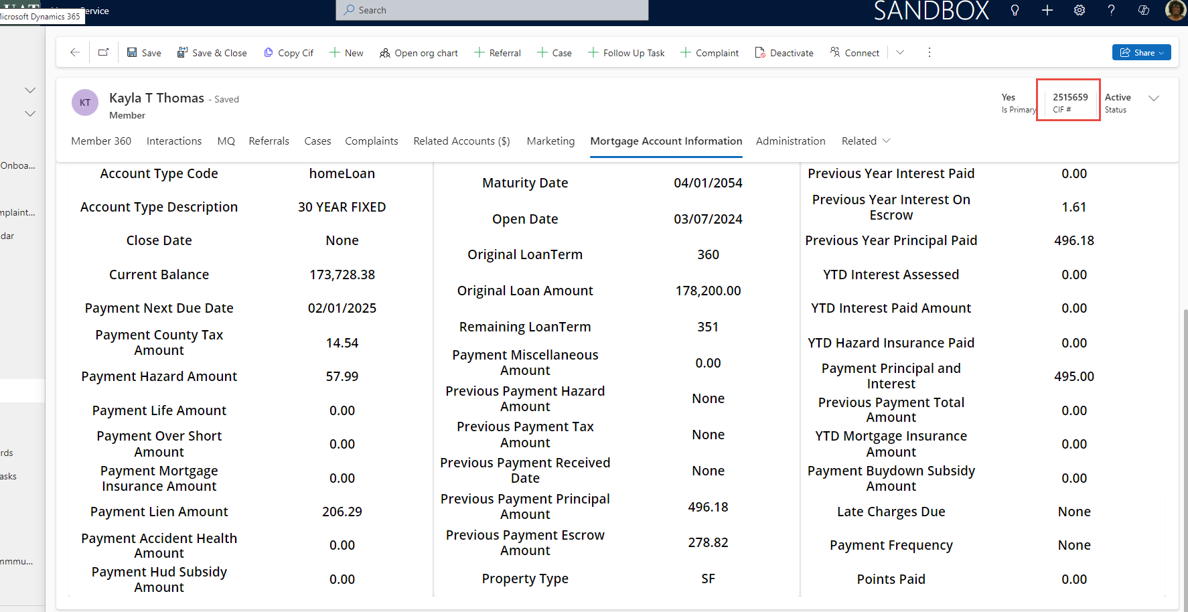
 |  |  | "ytdMortgageInsuranceAmount": 0.0
 |  |  | }

VA 30 Yr Fixed
Target Field in CRM | MSP Navigation | MSP Field Name | CRM Value | MSP Value | Notes
VyStarAccountNumber | SER1/LOAN | None - Loan number is displayed in the record header and on the page. | 24000302 | 0024000302
accountHolderMemberNumber/CIF | MAS1/USR3-PG3 | 9POS Field 1B | 3457010 | 0003457010
accountHolderName/Borrower | SER1/LOAN | Mortgagor | JOHANA R MORIKAWA | Johana Morikawa
accountNumber | SER1/LOAN |  | 24000302 | 024000302
accountTypeCode | MAS1/SRC1 | Product Line | homeLoan | 1st
accountSubType (Product | MAS1/SRC1 | Product Code? | VA | VA
closeDate |  |  | None
currentBalance | SER1/LOAN | Principal | 141,993.28 | 141,993.28
escrowBalance | SER1/LOAN | Escrow | 3,470.15 | 3,470.15
interestRate | SER1/LOAN | IR | 7.625 | 7.63 | 7.625
jointHolderMemberNumber | MAS1/USR3-PG3 | 9POS Field 2B | 3074732 | 3074732
jointHolderName | SER1/LOAN | Co Mortgagor | KINSEY C SPEASE | Kinsey C Spease
maturityDate | MAS1/NOT1 | Maturity Date | 2054-04-01 | 2054-04-01
openDate | MAS1/NOT1 | Closing Date | 2024-03-22 | 2024-03-22
originalLoanTerm | MAS1/NOT1 | Loan Term | 360 | 360
originalLoanAmount | MAS1/NOT1 | Orig Mtg Amount | 143,010.00 | 143010
remainingLoanTerm | MAS1/NOT1 | Loan Term ( - ) Next Pymt Number | 351 | 350
status |  |  | Active
paymentTotalAmount Due | SER1/LOAN | Tot PMT | 1440.37 | $1,440.37
previousYearTaxesPaid | SER1/LOAN | 2024 Tax | 1,669.39 | $1,669.39
previousYearInterestPaid | SER1/LOAN | 2024 INT | 7,548.16 | $7,548.16
previousYearInterestOnEscrow | IOE1 | Current Accrual | 1.74 | 0
previousYearPrincipalPaid | SER1/LOAN | 2024 PRN | 109.28 | $907.44
ytdInterestAssessed | SER1/LOAN | YTD INT | 0 | $902.94
ytdInterestPaidAmount | SER1/LOAN | YTD PRN | 902.94 | $109.28
ytdHazardInsurancePaid | SER1/LOAN | YTD TAX | 0 | $0.00
paymentPrincipalAndInterest | SER1/LOAN | 1ST P&I | 1902-10-08 05:16:48 | $1,012.22 | CRM shows 1012.22
paymentNextDueDate | SER1/LOAN | MM/DD/YY PMT | 2025-02-01 | 2025-02-01
paymentCountyTaxAmount | SER1/LOAN | COUNTY | 139.11 | $139.11
paymentHazardAmount | SER1/LOAN | HAZARD | 293.64 | $293.64
paymentLienAmount | SER1/LOAN | LIEN | -4.6 | $4.60
paymentOverShortAmount | PCH1 | O/S | 0 | $0.00
paymentMortgageInsuranceAmount | PCH1 | MI | 0 | $0.00
paymentLifeAmount | PCH1 | LIFE | 0 | $0.00
paymentAccidentHealthAmount | PCH1 | A&H | 0 | $0.00
paymentHudSubsidyAmount | PCH1 | HUD | 0 | $0.00
paymentMiscellaneousAmount | PCH1 | MISC | 0 | $0.00
paymentBuydownSubsidyAmount |  |  | 0
previousPaymentHazardAmount | SER1/LOAN | Last Paid - Hazard | None | none
previousPaymentTaxAmount | PCH2/ESCR |  | None | 0
previousPaymentReceivedDate | SER1/LOAN | Last Paid Date - Payment | 2025-01-03 | 2025-01-03
previousPaymentPrincipalAmount | SER1/HPMT | Principal | 109.28 | $109.28
previousPaymentEscrowAmount | SER1/HPMT | Escrow | 428.15 | $428.15
previousPaymentTotalAmount | SER1/LOAN | Last Paid - Amount | 0 | $1,440.37
ytdMortgageInsuranceAmount | DENJ | MIP/PMI PAID YTD | 0 | $0.00
AccruedLateChargeBalance | DENJ | LATE CHG PAID YTD | None | $0.00
NonBorrowerInformationIndicator |  | NON-BWR-IND
PaymentFrequencyCode | MAS1/PYT1 | NO. PMTS/YEAR | None | 12
PointsPaidByBorrowerAmount | KLNX/ORG1, MAS1/IAC1 | POINTS PD BY BORROWER - AMOUNT | 1,152.49 | $1,152.49
Status Description | KLNX/COLC, MAS1/COL1 | MAN or Person code | No paid in full stop | 0
Property Type | MAS1/PRP1 | Property Type | SF | SF

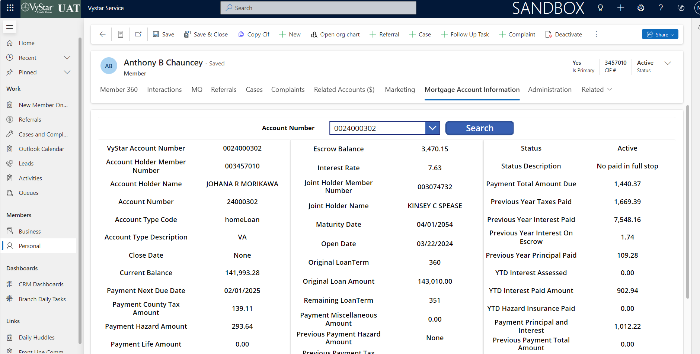
 |  |  | {
 |  |  | "accountNumber": "24000302",
 |  |  | "accountHolderMemberNumber": "003457010",
 |  |  | "accountHolderName": "JOHANA R MORIKAWA",
 |  |  | "jointHolderMemberNumber": "003074732",
 |  |  | "jointHolderName": "KINSEY C SPEASE",
 |  |  | "openDate": "2024-03-22",
 |  |  | "accountType": "homeLoan",
 |  |  | "accountSubType": "VA",
 |  |  | "accruedLateChargeBalance": null,
 |  |  | "currentBalance": 141993.28,
 |  |  | "escrowBalance": 3470.15,
 |  |  | "interestRate": 7.625,
 |  |  | "maturityDate": "2054-04-01",
 |  |  | "originalLoanTerm": 360,
 |  |  | "originalLoanAmount": 143010.0,
 |  |  | "paymentAccidentHealthAmount": 0.0,
 |  |  | "paymentBuydownSubsidyAmount": 0.0,
 |  |  | "paymentCountyTaxAmount": 139.11,
 |  |  | "paymentFrequency": null,
 |  |  | "paymentHazardAmount": 293.64,
 |  |  | "paymentHudSubsidyAmount": 0.0,
 |  |  | "paymentLienAmount": -4.6,
 |  |  | "paymentLifeAmount": 0.0,
 |  |  | "paymentMiscellaneousAmount": 0.0,
 |  |  | "paymentMortgageInsuranceAmount": 0.0,
 |  |  | "paymentNextDueDate": "2025-02-01",
 |  |  | "paymentOverShortAmount": 0.0,
 |  |  | "paymentPrincipalAndInterest": 1012.22,
 |  |  | "paymentTotalAmountDue": 0.0,
 |  |  | "pointsPaid": 1152.49,
 |  |  | "previousPaymentEscrowAmount": 428.15,
 |  |  | "previousPaymentHazardAmount": null,
 |  |  | "previousPaymentPrincipalAmount": 109.28,
 |  |  | "previousPaymentReceivedDate": "2025-01-03",
 |  |  | "previousPaymentTotalAmount": 0.0,
 |  |  | "previousYearInterestOnEscrow": 1.74,
 |  |  | "previousYearInterestPaid": 7548.16,
 |  |  | "previousYearPrincipalPaid": 109.28,
 |  |  | "previousYearTaxesPaid": 1669.39,
 |  |  | "propertyType": "SF",
 |  |  | "remainingLoanTerm": 351,
 |  |  | "statusCode": "Active",
 |  |  | "statusDescription": "No paid in full stop",
 |  |  | "ytdHazardInsurancePaid": 0.0,
 |  |  | "ytdInterestAssessed": 0.0,
 |  |  | "ytdInterestPaidAmount": 902.94,
 |  |  | "ytdMortgageInsuranceAmount": 0.0
 |  |  | }

5 5 ARM 5yr CMT
Target Field in CRM | MSP Navigation | MSP Field Name | CRM Value | MSP Value | Notes
VyStarAccountNumber | SER1/LOAN | None - Loan number is displayed in the record header and on the page. | 24009667 | 0024009667
accountHolderMemberNumber/CIF | MAS1/USR3-PG3 | 9POS Field 1B | 3478573 | 0003478573
accountHolderName/Borrower | SER1/LOAN | Mortgagor | MERVIN Q GRANADE | MERVIN Q GRANADE
accountNumber | SER1/LOAN |  | 24009667 | 024009667
accountTypeCode | MAS1/SRC1 | Product Line | homeLoan | JAR
accountSubType (Product | MAS1/SRC1 | Product Code? | JUMBO ARM | JUMBO ARM
closeDate |  |  | None
currentBalance | SER1/LOAN | Principal | 920,000.00 | 919,127.07
escrowBalance | SER1/LOAN | Escrow | 6,060.17 | 8,080.22
jointHolderMemberNumber | MAS1/USR3-PG3 | 9POS Field 2B | 3478574 | 3478574
interestRate | SER1/LOAN | IR | 6.25 | 6.25
jointHolderName | SER1/LOAN | Co Mortgagor | MINOR J RODARMEL | MINOR J RODARMEL
maturityDate | MAS1/NOT1 | Maturity Date | 2055-01-01 | 155 | only displays mm/yy
openDate | MAS1/NOT1 | Closing Date | 2024-12-16 | 121624
originalLoanTerm | MAS1/NOT1 | Loan Term | 360 | 360
originalLoanAmount | MAS1/NOT1 | Orig Mtg Amount | 920,000.00 | 920000
remainingLoanTerm | MAS1/NOT1 | Loan Term ( - ) Next Pymt Number | 360 | 360 | 360-1=359 should be value but is 360
status |  |  | Active
paymentTotalAmount | SER1/LOAN | Tot Pmt | 0 | $7,684.65
previousYearTaxesPaid | SER1/LOAN | 2024 Tax | 0 | $0.00
previousYearInterestPaid | SER1/LOAN | 2024 INT | 2,555.52 | $2,555.52
previousYearInterestOnEscrow | IOE1 | Current Accrual | 0.02 | 0
previousYearPrincipalPaid | SER1/LOAN | 2024 PRN | 0 | $0.00
ytdInterestAssessed | SER1/LOAN | YTD INT | 0 | $4,791.67
ytdInterestPaidAmount | SER1/LOAN | YTD PRN | 0 | $872.93 |  | `
ytdHazardInsurancePaid | SER1/LOAN | YTD TAX | 0 | $0.00
paymentPrincipalAndInterest | SER1/LOAN | 1ST P&I | 5,664.60 | $5,664.60
paymentNextDueDate | SER1/LOAN | MM/DD/YY PMT | 2025-02-01 | 2025-03-01
paymentCountyTaxAmount | SER1/LOAN | COUNTY | 1,529.94 | $1,529.94
paymentHazardAmount | SER1/LOAN | HAZARD | 490.11 | $490.11
paymentLienAmount | SER1/LOAN | LIEN | 0 | $0.00 | ????
paymentOverShortAmount | PCH1 | O/S | 0 | $0.00
paymentMortgageInsuranceAmount | PCH1 | MI | 0 | $0.00
paymentLifeAmount | PCH1 | LIFE | 0 | $0.00
paymentAccidentHealthAmount | PCH1 | A&H | 0 | $0.00
paymentHudSubsidyAmount | PCH1 | HUD | 0 | $0.00
paymentMiscellaneousAmount | PCH1 | MISC | 0 | $0.00
paymentBuydownSubsidyAmount |  |  | 0
previousPaymentHazardAmount | SER1/LOAN | Last Paid - Hazard | None | $0.00
previousPaymentTaxAmount | PCH2/ESCR |  | None |  | no field displayed in MSP
previousPaymentReceivedDate | SER1/LOAN | Last Paid Date - Payment | 2024-12-16 | 2025-01-30
previousPaymentPrincipalAmount | SER1/HPMT | Principal | 0 | $0.00
previousPaymentEscrowAmount | SER1/HPMT | Escrow | 6,060.15 | $6,060.15
previousPaymentTotalAmount | SER1/LOAN | Last Paid - Amount | 0 | $7,684.65
ytdMortgageInsuranceAmount | DENJ | MIP/PMI PAID YTD | 0 | $0.00
AccruedLateChargeBalance | DENJ | LATE CHG PAID YTD | None | $0.00
NonBorrowerInformationIndicator |  | NON-BWR-IND | None |  | ????
PaymentFrequencyCode | MAS1/PYT1 | NO. PMTS/YEAR | None | 12
PointsPaidByBorrowerAmount | KLNX/ORG1, MAS1/IAC1 | POINTS PD BY BORROWER - AMOUNT | 0 | nothing there
Status Description | KLNX/COLC, MAS1/COL1 | MAN or Person code | No paid in full stop |  | 0
Property Type | MAS1/PRP1 | Property Type | SF | SF SF | SF

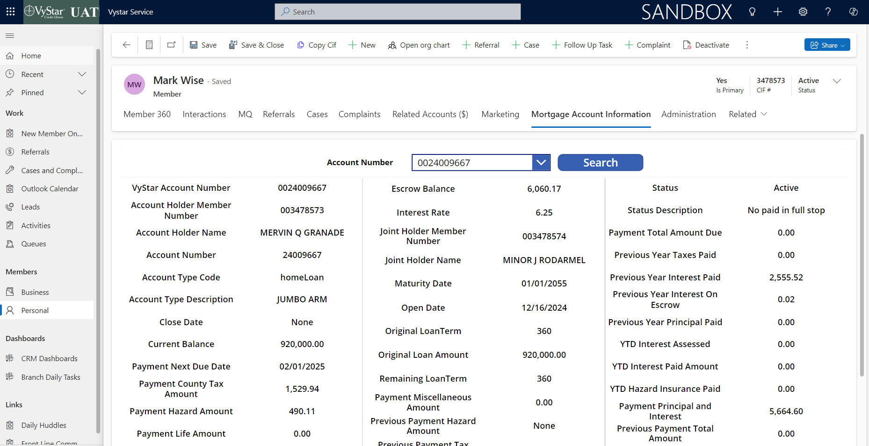

 |  |  | {
 |  |  | "accountNumber": "24009667",
 |  |  | "accountHolderMemberNumber": "003478573",
 |  |  | "accountHolderName": "MERVIN Q GRANADE",
 |  |  | "jointHolderMemberNumber": "003478574",
 |  |  | "jointHolderName": "MINOR J RODARMEL",
 |  |  | "openDate": "2024-12-16",
 |  |  | "accountType": "homeLoan",
 |  |  | "accountSubType": "JUMBO ARM",
 |  |  | "accruedLateChargeBalance": null,
 |  |  | "currentBalance": 920000.0,
 |  |  | "escrowBalance": 6060.17,
 |  |  | "interestRate": 6.25,
 |  |  | "maturityDate": "2055-01-01",
 |  |  | "originalLoanTerm": 360,
 |  |  | "originalLoanAmount": 920000.0,
 |  |  | "paymentAccidentHealthAmount": 0.0,
 |  |  | "paymentBuydownSubsidyAmount": 0.0,
 |  |  | "paymentCountyTaxAmount": 1529.94,
 |  |  | "paymentFrequency": null,
 |  |  | "paymentHazardAmount": 490.11,
 |  |  | "paymentHudSubsidyAmount": 0.0,
 |  |  | "paymentLienAmount": 0.0,
 |  |  | "paymentLifeAmount": 0.0,
 |  |  | "paymentMiscellaneousAmount": 0.0,
 |  |  | "paymentMortgageInsuranceAmount": 0.0,
 |  |  | "paymentNextDueDate": "2025-02-01",
 |  |  | "paymentOverShortAmount": 0.0,
 |  |  | "paymentPrincipalAndInterest": 5664.6,
 |  |  | "paymentTotalAmountDue": 0.0,
 |  |  | "pointsPaid": 0.0,
 |  |  | "previousPaymentEscrowAmount": 6060.15,
 |  |  | "previousPaymentHazardAmount": null,
 |  |  | "previousPaymentPrincipalAmount": 0.0,
 |  |  | "previousPaymentReceivedDate": "2024-12-16",
 |  |  | "previousPaymentTotalAmount": 0.0,
 |  |  | "previousYearInterestOnEscrow": 0.02,
 |  |  | "previousYearInterestPaid": 2555.52,
 |  |  | "previousYearPrincipalPaid": 0.0,
 |  |  | "previousYearTaxesPaid": 0.0,
 |  |  | "propertyType": "SF",
 |  |  | "remainingLoanTerm": 360,
 |  |  | "statusCode": "Active",
 |  |  | "statusDescription": "No paid in full stop",
 |  |  | "ytdHazardInsurancePaid": 0.0,
 |  |  | "ytdInterestAssessed": 0.0,
 |  |  | "ytdInterestPaidAmount": 0.0,
 |  |  | "ytdMortgageInsuranceAmount": 0.0
 |  |  | }

7-1 ARM
Target Field in CRM | MSP Navigation | MSP Field Name | CRM Value | MSP Value | Notes
VyStarAccountNumber | SER1/LOAN | None - Loan number is displayed in the record header and on the page. | 24009689 | 0024009689
accountHolderMemberNumber/CIF | MAS1/USR3-PG3 | 9POS Field 1B | 2562873 | 0002562873
accountHolderName/Borrower | SER1/LOAN | Mortgagor | ANGUS V DAIGH | Angus V. Daigh
accountNumber | SER1/LOAN |  | 24009689 | 024009689
accountTypeCode | MAS1/SRC1 | Product Line | homeLoan | Conventional (1)
accountSubType (Product | MAS1/SRC1 | Product Code? | 30 YEAR ARM | ARM
closeDate |  |  | None | 2024-12-20
currentBalance | SER1/LOAN | Principal | 346000 | 346,000.00
escrowBalance | SER1/LOAN | Escrow | 2091.39 | 2,091.39
interestRate | SER1/LOAN | IR | 6.88 | 6.88
jointHolderMemberNumber | MAS1/USR3-PG3 | 9POS Field 2B | 2566267 | Hubert K. Donson
jointHolderName | SER1/LOAN | Co Mortgagor | HUBERT K DONSON
maturityDate | MAS1/NOT1 | Maturity Date | 2055-01-01 | 2055-01-01
openDate | MAS1/NOT1 | Closing Date | 2024-12-20 | 2024-12-20
originalLoanTerm | MAS1/NOT1 | Loan Term | 360 | 360 Months
originalLoanAmount | MAS1/NOT1 | Orig Mtg Amount | 346000 | 346000
remainingLoanTerm | MAS1/NOT1 | Loan Term ( - ) Next Pymt Number | 360 | 360 Months
status |  |  | Active | Due for February
paymentTotalAmount | SER1/LOAN | Tot PMT | 0 | $2,970.10
previousYearTaxesPaid | SER1/LOAN | 2024 Tax | 0 | $0.00
previousYearInterestOnEscrow | IOE1 | Current Accrual | 0 | 0
previousYearInterestPaid | SER1/LOAN | 2024 INT | 396.48 | $396.48
previousYearPrincipalPaid | SER1/LOAN | 2024 PRN | 0 | $0.00
ytdInterestAssessed | SER1/LOAN | YTD INT | 0
ytdInterestPaidAmount | SER1/LOAN | YTD PRN | 0 | $0.00
ytdHazardInsurancePaid | SER1/LOAN | YTD TAX | 0 | $0.00
paymentPrincipalAndInterest | SER1/LOAN | 1ST P&I | 2272.97 | $2,272.97
paymentNextDueDate | SER1/LOAN | MM/DD/YY PMT | 2025-02-01 | 2025-02-01
paymentCountyTaxAmount | SER1/LOAN | COUNTY | 402.95 | $402.95
paymentHazardAmount | SER1/LOAN | HAZARD | 294.18 | $294.18
paymentLienAmount | SER1/LOAN | LIEN | 0
paymentOverShortAmount | PCH1 | O/S | 0
paymentMortgageInsuranceAmount | PCH1 | MI | 0 | No PMI
paymentLifeAmount | PCH1 | LIFE | 0
paymentAccidentHealthAmount | PCH1 | A&H | 0
paymentHudSubsidyAmount | PCH1 | HUD | 0
paymentMiscellaneousAmount | PCH1 | MISC | 0
paymentBuydownSubsidyAmount |  |  | 0
previousPaymentHazardAmount | SER1/LOAN | Last Paid - Hazard | None
previousPaymentTaxAmount | PCH2/ESCR |  | None
previousPaymentReceivedDate | SER1/LOAN | Last Paid Date - Payment | None | 2024-12-26
previousPaymentPrincipalAmount | SER1/HPMT | Principal | 0
previousPaymentEscrowAmount | SER1/HPMT | Escrow | 2091.39
previousPaymentTotalAmount | SER1/LOAN | Last Paid - Amount | 0 | $2,487.87
ytdMortgageInsuranceAmount | DENJ | MIP/PMI PAID YTD | 0
AccruedLateChargeBalance | DENJ | LATE CHG PAID YTD | None
NonBorrowerInformationIndicator |  | NON-BWR-IND |  |  | This is not yet mapped and waitong for Khendys
PaymentFrequencyCode | MAS1/PYT1 | NO. PMTS/YEAR | None
PointsPaidByBorrowerAmount | KLNX/ORG1, MAS1/IAC1 | POINTS PD BY BORROWER - AMOUNT | 0

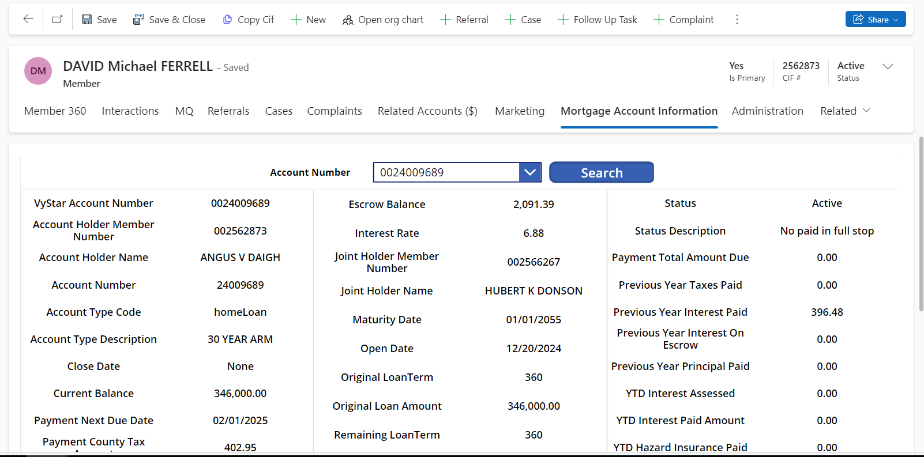

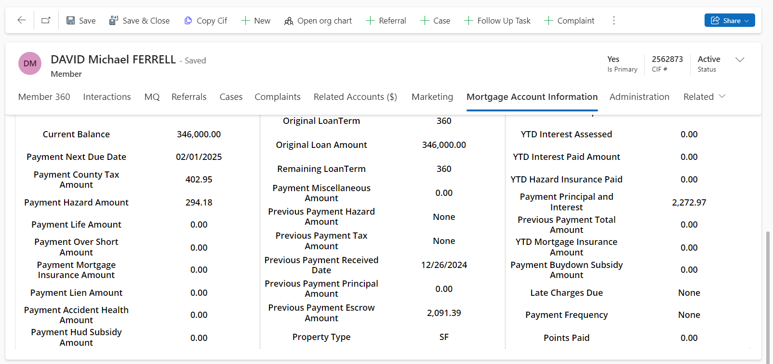

{
"accountNumber": "24009689",
"accountHolderMemberNumber": "002562873",
"accountHolderName": "ANGUS V DAIGH",
"jointHolderMemberNumber": "002566267",
"jointHolderName": "HUBERT K DONSON",
"openDate": "2024-12-20",
"accountType": "homeLoan",
"accountSubType": "30 YEAR ARM",
"accruedLateChargeBalance": null,
"currentBalance": 346000.0,
"escrowBalance": 2091.39,
"interestRate": 6.875,
"maturityDate": "2055-01-01",
"originalLoanTerm": 360,
"originalLoanAmount": 346000.0,
"paymentAccidentHealthAmount": 0.0,
"paymentBuydownSubsidyAmount": 0.0,
"paymentCountyTaxAmount": 402.95,
"paymentFrequency": null,
"paymentHazardAmount": 294.18,
"paymentHudSubsidyAmount": 0.0,
"paymentLienAmount": 0.0,
"paymentLifeAmount": 0.0,
"paymentMiscellaneousAmount": 0.0,
"paymentMortgageInsuranceAmount": 0.0,
"paymentNextDueDate": "2025-02-01",
"paymentOverShortAmount": 0.0,
"paymentPrincipalAndInterest": 2272.97,
"paymentTotalAmountDue": 2970.1,
"pointsPaid": 0.0,
"previousPaymentEscrowAmount": 2091.39,
"previousPaymentHazardAmount": null,
"previousPaymentPrincipalAmount": 0.0,
"previousPaymentReceivedDate": "2024-12-26",
"previousPaymentTotalAmount": 0.0,
"previousYearInterestOnEscrow": 0.0,
"previousYearInterestPaid": 396.48,
"previousYearPrincipalPaid": 0.0,
"previousYearTaxesPaid": 0.0,
"propertyType": "SF",
"remainingLoanTerm": 360,
"statusCode": "Active",
"statusDescription": "No paid in full stop",
"ytdHazardInsurancePaid": 0.0,
"ytdInterestAssessed": 0.0,
"ytdInterestPaidAmount": 0.0,
"ytdMortgageInsuranceAmount": 0.0
}

Land Loan
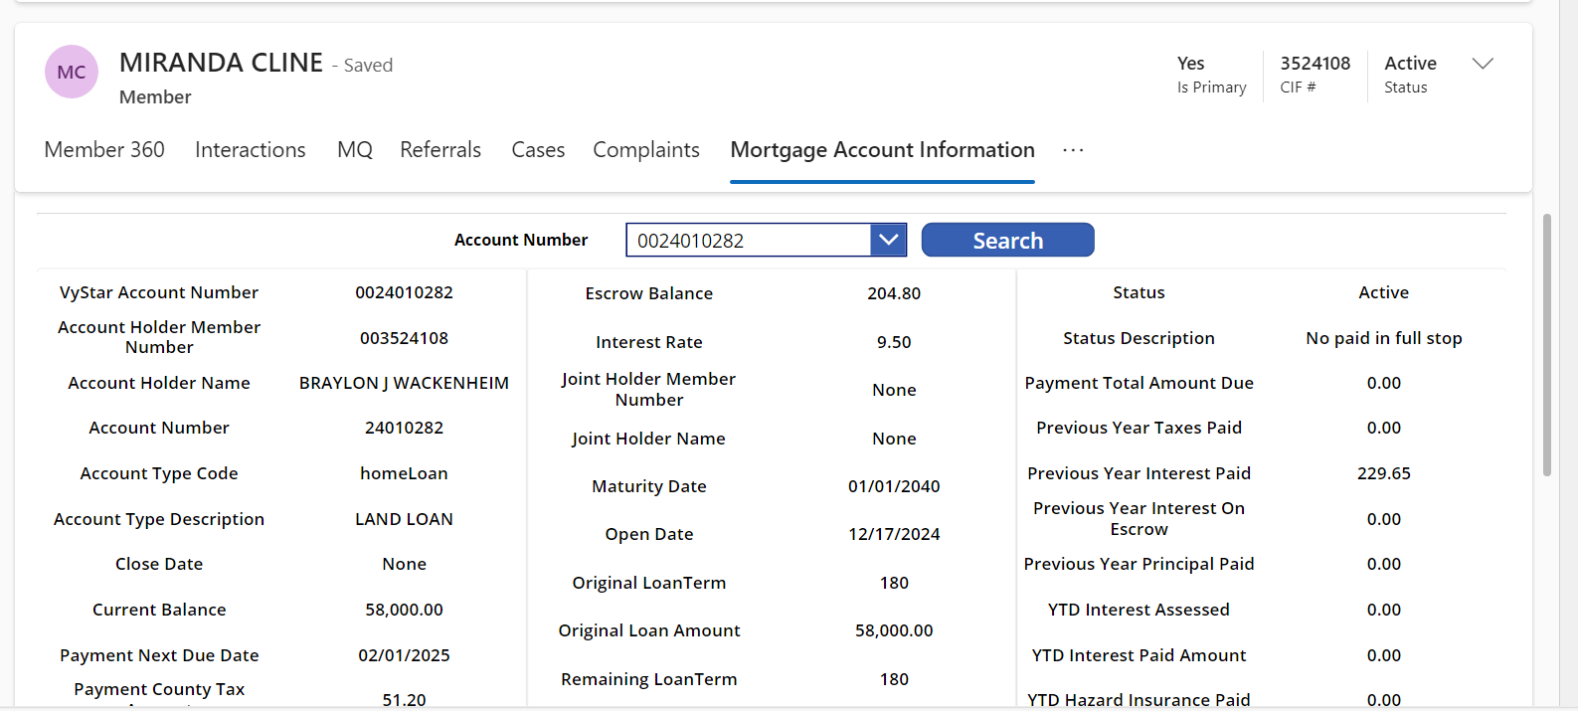
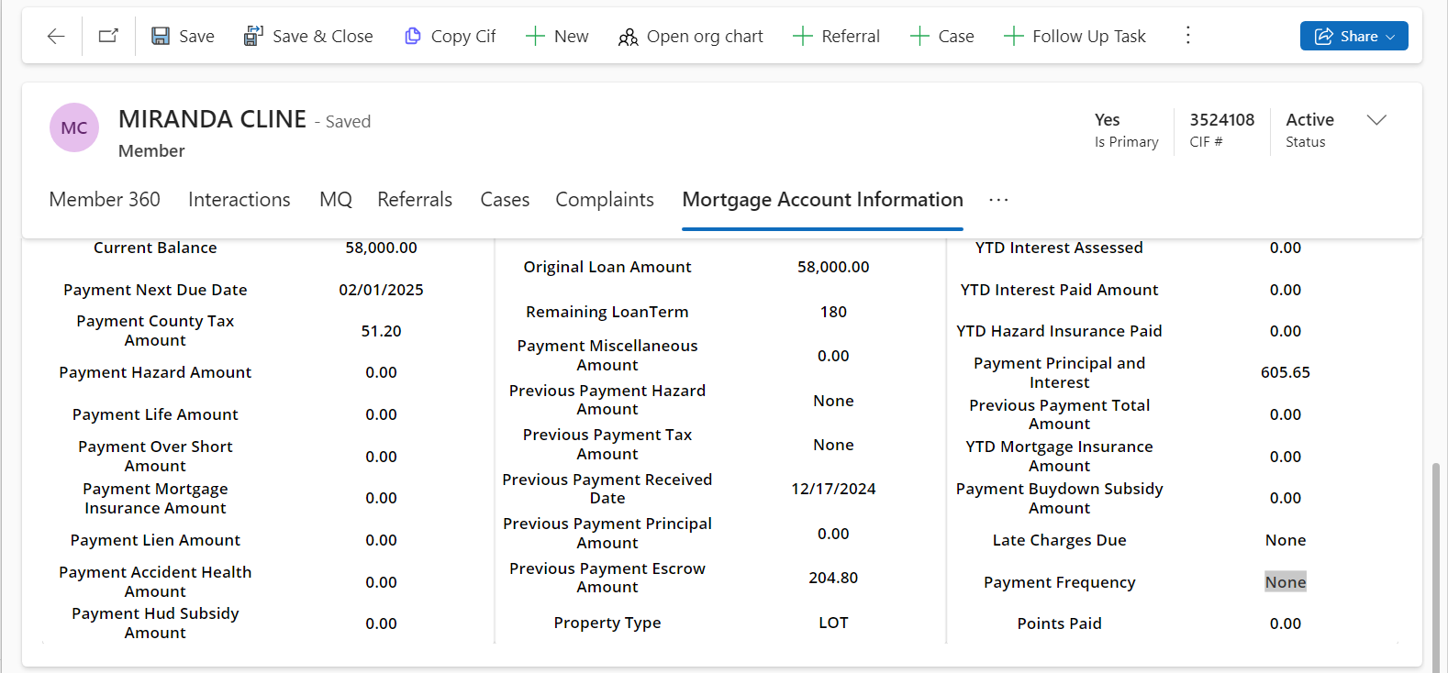
Target Field in CRM | MSP Navigation | MSP Field Name | CRM Value | MSP Value | Notes
VyStarAccountNumber | SER1/LOAN | None - Loan number is displayed in the record header and on the page. | 24010282 | 0024010282
accountHolderMemberNumber/CIF | MAS1/USR3-PG3 | 9POS Field 1B | 3524108 | 0003524108
accountHolderName/Borrower | SER1/LOAN | Mortgagor | BRAYLON J WACKENHEIM | BRAYLON J WACKENHEIM
accountNumber | SER1/LOAN |  | 24010282 | 0024010282
accountTypeCode | MAS1/SRC1 | Product Line | homeLoan | LAND LOAN
accountSubType (Product | MAS1/SRC1 | Product Code? | LAND LOAN | LND
closeDate |  |  | None
currentBalance | SER1/LOAN | Principal | 58000 | 58,000.00
escrowBalance | SER1/LOAN | Escrow | 204.8 | 204.80
interestRate | SER1/LOAN | IR | 9.5 | 9.50
jointHolderMemberNumber | MAS1/USR3-PG3 | 9POS Field 2B | None | N/A
jointHolderName | SER1/LOAN | Co Mortgagor | None | N/A
maturityDate | MAS1/NOT1 | Maturity Date | 2040-01-01 | 1940-01-01
openDate | MAS1/NOT1 | Closing Date | 2024-12-17 | 2024-12-17
originalLoanTerm | MAS1/NOT1 | Loan Term | 180 | 180
originalLoanAmount | MAS1/NOT1 | Orig Mtg Amount | 58000 | 58000
remainingLoanTerm | MAS1/NOT1 | Loan Term ( - ) Next Pymt Number | 180 | 179
status |  |  | Active
paymentTotalAmount | SER1/LOAN | Tot PMT | 0 | $656.85
previousYearTaxesPaid | SER1/LOAN | 2024 Tax | 0 | $0.00
previousYearInterestPaid | SER1/LOAN | 2024 INT | 229.65 | $229.65
previousYearInterestOnEscrow | IOE1 | Current Accrual | 0 | 0
previousYearPrincipalPaid | SER1/LOAN | 2024 PRN | 0 | $0.00
ytdInterestAssessed | SER1/LOAN | YTD INT | 0 | $0.00
ytdInterestPaidAmount | SER1/LOAN | YTD PRN | 0 | $0.00
ytdHazardInsurancePaid | SER1/LOAN | YTD TAX | 0 | $0.00
paymentPrincipalAndInterest | SER1/LOAN | 1ST P&I | 605.65 | $605.65
paymentNextDueDate | SER1/LOAN | MM/DD/YY PMT | 2025-02-01 | 2025-02-01
paymentCountyTaxAmount | SER1/LOAN | COUNTY | 51.2 | $51.20
paymentHazardAmount | SER1/LOAN | HAZARD | 0 | NO HAZARD
paymentLienAmount | SER1/LOAN | LIEN | 0 | $0.00
paymentOverShortAmount | PCH1 | O/S | 0 | $0.00
paymentMortgageInsuranceAmount | PCH1 | MI | 0 | $0.00
paymentLifeAmount | PCH1 | LIFE | 0 | $0.00
paymentAccidentHealthAmount | PCH1 | A&H | 0 | $0.00
paymentHudSubsidyAmount | PCH1 | HUD | 0 | $0.00
paymentMiscellaneousAmount | PCH1 | MISC | 0 | $0.00
paymentBuydownSubsidyAmount |  |  | 0
previousPaymentHazardAmount | SER1/LOAN | Last Paid - Hazard | None | NO HAZARD
previousPaymentTaxAmount | PCH2/ESCR |  | None | 51.2
previousPaymentReceivedDate | SER1/LOAN | Last Paid Date - Payment | 2024-12-17 | 2024-12-17
previousPaymentPrincipalAmount | SER1/HPMT | Principal | 0 | $0.00
previousPaymentEscrowAmount | SER1/HPMT | Escrow | 204.8 | $204.80
previousPaymentTotalAmount | SER1/LOAN | Last Paid - Amount | 0 | $434.45
ytdMortgageInsuranceAmount | DENJ | MIP/PMI PAID YTD | 0 | $0.00
AccruedLateChargeBalance | DENJ | LATE CHG PAID YTD | None | $0.00
NonBorrowerInformationIndicator |  | NON-BWR-IND |  |  | This is not yet mapped and waitong for Khendys
PaymentFrequencyCode | MAS1/PYT1 | NO. PMTS/YEAR | None | 12
PointsPaidByBorrowerAmount | KLNX/ORG1, MAS1/IAC1 | POINTS PD BY BORROWER - AMOUNT | 0 | N/A

